Other (mobile)
Ag tractors
0.57 | PIFURfE for ag tractors (other processes)
266.67 | Assumed annual usage (hours)

0.00083 | Diesel tractor price $/BTU
0.00314 | Electric tractor price $/BTU

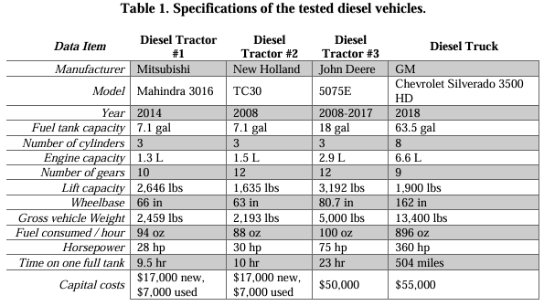
from https://environmentaldevices.com/wp-content/uploads/2023/09/Impacts-of-electrifying-agricultural-tractors.pdf
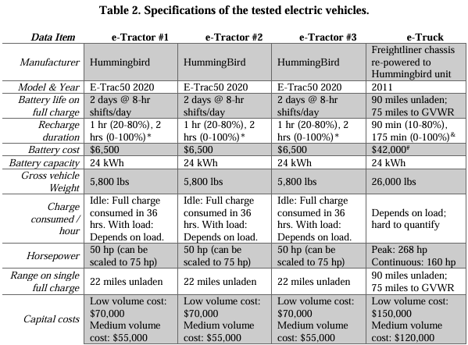

 |  | Capital costs | Tank capacity (gal) | Battery capacity (kWh) | Runtime/tank (hr) | Energy content/tank | E Intensity (BTU/hr) | Annual usage (hr) |  | price ($) | annual E | $/BTU
 | DT #1 | 17000 | 7.1 |  | 9.5 | 983279 | 103503 | 250 | Diesel | 21966.588645 | 27574616.079 | 0.00080
 | DT #2 | 17000 | 7.1 |  | 10 | 983279 | 98328 | 250 | Electric | 43148.656268 | 11840526.567 | 0.00364
 | DT #3 | 50000 | 18 |  | 23 | 2492820 | 108383 | 250
 | eT | 55000 |  | 24 | 16 | 81891 |  | 250
 |  | 1.9642857143
 |  |  |  | 0.62992125984

from https://www.cadeogroup.com/wp-content/uploads/2022/04/PNW-Tractor-Electrification-Study.pdf

 |  | Energy reservoir (kWh) | hours/year | price | E intensity (BTU/hr) | Annual BTUs | $/BTU
 | diesel | 2940 | 545 | 37500 | 131867 | 35164444 | 0.00090
 | battery | 113 | 995 | 66500 | 56623 | 15099595 | 0.00373
 |  |  |  |  | ^assuming equal distribution of tasks

from https://pub.epsilon.slu.se/id/document/20368600
 |  | % energy consumption (bev vs diesel)
 | example 1 | 54% |  | ** costs in table 3
 | example 2 | 52%

from https://static1.squarespace.com/static/5eab584a296dca09a66e85a6/t/627946f6c12c786debe434c7/1652115191705/TCO_report_May%2B2022.pdf

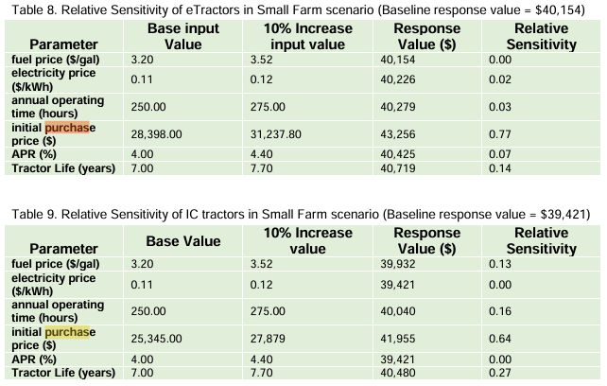

 |  | capital cost | operating hours/yr | Annual energy (gal) | Annual energy (kWh) | Annual BTU | $/BTU
 | e-tractor | 28398 | 250 |  |  | 11801531 | 0.00204
 | IC | 25345 | 250 | 186.05 |  | 27483802 | 0.00078

Summary
Unit: $/(BTU/yr) - dollars of capital cost for equipment per BTU consumed annually by that equipment | electricity if | hard coal if | natural gas if | biomass if | petroleum diesel if | heat if | crude oil if | heavy or residual fuel oil if | LPG propane or butane if | hydrogen if | green hydrogen if | low carbon hydrogen if
boilers | 3.088E-05 | 1.499E-05 | 1.599E-05 | 1.499E-05 | 9.436E-06 | 0.000E+00 | 9.436E-06 | 9.436E-06 | 9.436E-06 | 2.398E-05 | 2.398E-05 | 2.398E-05
nonboiler low temp | 3.088E-05 | 1.499E-05 | 1.599E-05 | 1.499E-05 | 9.436E-06 | 0.000E+00 | 9.436E-06 | 9.436E-06 | 9.436E-06 | 2.398E-05 | 2.398E-05 | 2.398E-05
nonboiler med temp | 3.477E-05 | 3.178E-05 | 3.178E-05 | 3.178E-05 | 3.178E-05 | 0.000E+00 | 3.178E-05 | 3.178E-05 | 3.178E-05 | 3.178E-05 | 3.178E-05 | 3.178E-05
nonboiler high temp | 1.720E-04 | 4.595E-06 | 2.073E-05 | 4.595E-06 | 1.223E-05 | 0.000E+00 | 1.223E-05 | 1.223E-05 | 1.223E-05 | 3.266E-05 | 3.266E-05 | 3.266E-05
cooling | 4.452E-05 | 1.809E-05 | 1.809E-05 | 1.809E-05 | 1.809E-05 | 0.000E+00 | 1.809E-05 | 1.809E-05 | 1.809E-05 | 2.713E-05 | 2.713E-05 | 2.713E-05
machine drive | 2.965E-05 | 7.073E-05 | 7.073E-05 | 7.073E-05 | 7.073E-05 | 0.000E+00 | 7.073E-05 | 7.073E-05 | 7.073E-05 | 7.073E-05 | 7.073E-05 | 7.073E-05
other processes | 7.040E-06 | 2.089E-05 | 2.228E-05 | 2.089E-05 | 1.315E-05 | 0.000E+00 | 1.315E-05 | 1.315E-05 | 1.315E-05 | 3.343E-05 | 3.343E-05 | 3.343E-05
facility HVAC | 3.088E-05 | 1.499E-05 | 1.599E-05 | 1.499E-05 | 9.436E-06 | 0.000E+00 | 9.436E-06 | 9.436E-06 | 9.436E-06 | 2.398E-05 | 2.398E-05 | 2.398E-05
facility lighting | 1.054E-05 | 9.075E-06 | 9.075E-06 | 9.075E-06 | 9.075E-06 | 0.000E+00 | 9.075E-06 | 9.075E-06 | 9.075E-06 | 9.075E-06 | 9.075E-06 | 9.075E-06
other nonprocess | 4.347E-05 | 2.224E-05 | 2.452E-05 | 2.224E-05 | 2.037E-05 | 0.000E+00 | 2.037E-05 | 2.037E-05 | 2.037E-05 | 3.075E-05 | 3.075E-05 | 3.075E-05

Green cells are known explicitly. Orange cells are assumptions based on similar fuel types.
Gray cells are not applicable, either because the energy is already in the form of heat or because the equipmen type cannot use that fuel type.
Capital Cost of Equipment per Unit Annual Energy Consumption

The data on electric arc furnaces (our model for electric high-temp heat) has been double-checked and seem solid, and there are few other good examples of
fully commercialized, electrified, high-temperature heating equipment. For instance, cement kilns burn coal and steam crackers use natural gas. Other electrical furnaces
exist (like induction furnaces), but electric arc furnaces are likely the most common type and are likely the best choice to use as our model equipment type for high-temp
electrified industrial heating equipment. So we do not consider them to be an outlier - i.e., the higher cost is justified.

